Example Data Input
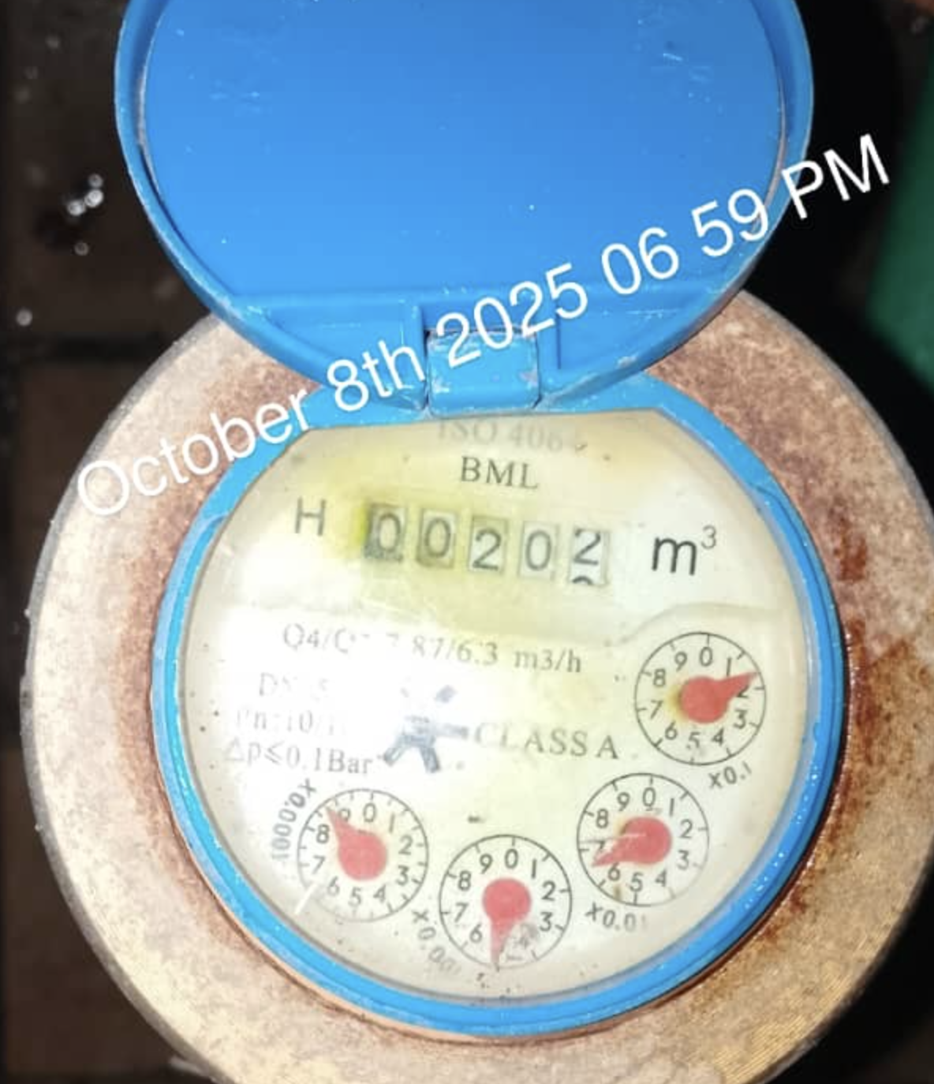
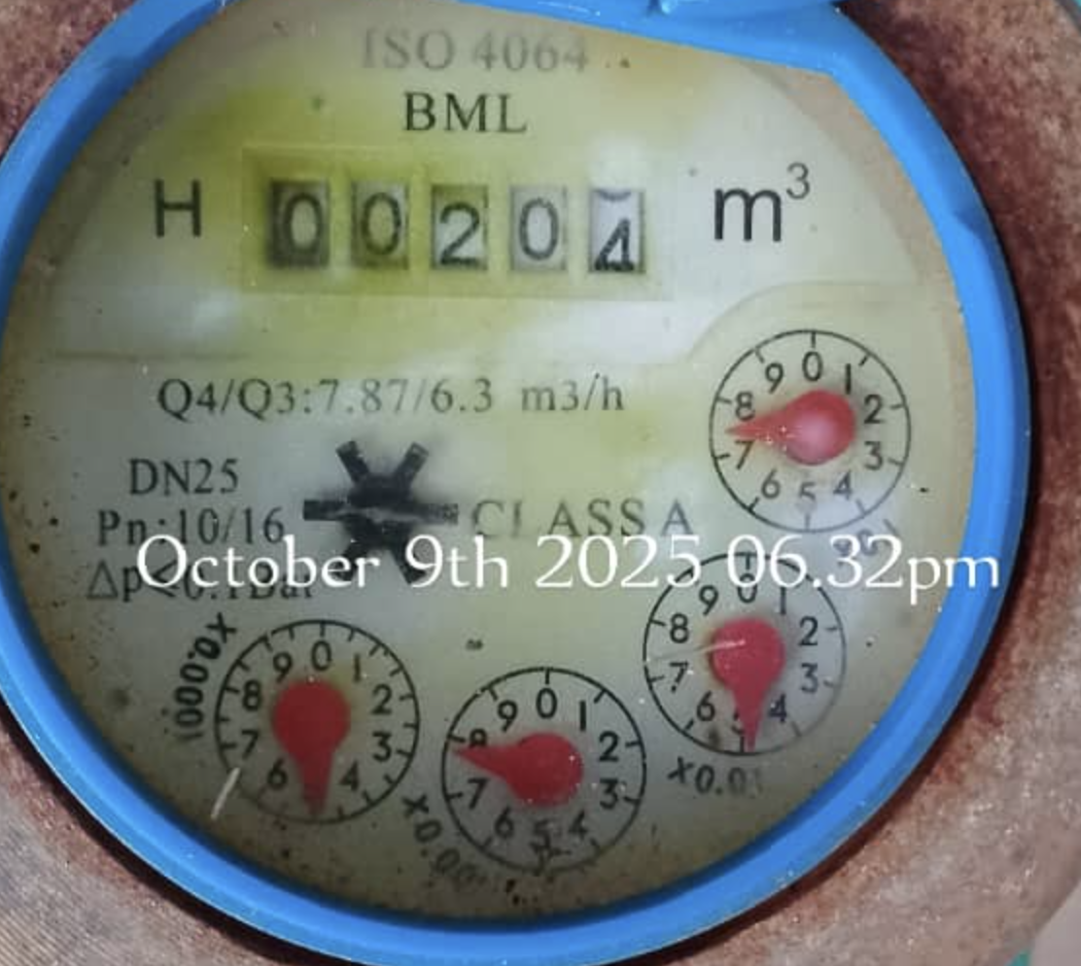
Date |  | Main Register (Black digits) m3 | Amount (L) | Dial 0.1 | Amount (L) | Dial 0.01 | Amount (L) | Dial 0.001 | Amount (L) | Dial 0.0001 | Amount (L) | Daily Consumption | Cummulative Total Amount (L)
8-Oct-25 |  | 201 | 201,000 | 1 | 100 | 6 | 60 | 5 | 5 | 8 | 1 | 201,166 | 201,166
2025-10-09 |  | 203 | 203,000 | 7 | 700 | 5 | 50 | 9 | 9 | 5 | 1 | 2,594 | 203,760
2025-10-10 |  | 205 | 205,000 | 3 | 300 | 2 | 20 | 4 | 4 | 5 | 1 | 1,565 | 205,325
2025-10-11 |  | 208 | 208,000 | 7 | 700 | 2 | 20 | 2 | 2 | 2 | 0 | 3,398 | 208,722
 |  |  | - |  | - |  | - |  | - |  | - | (208,722) | -
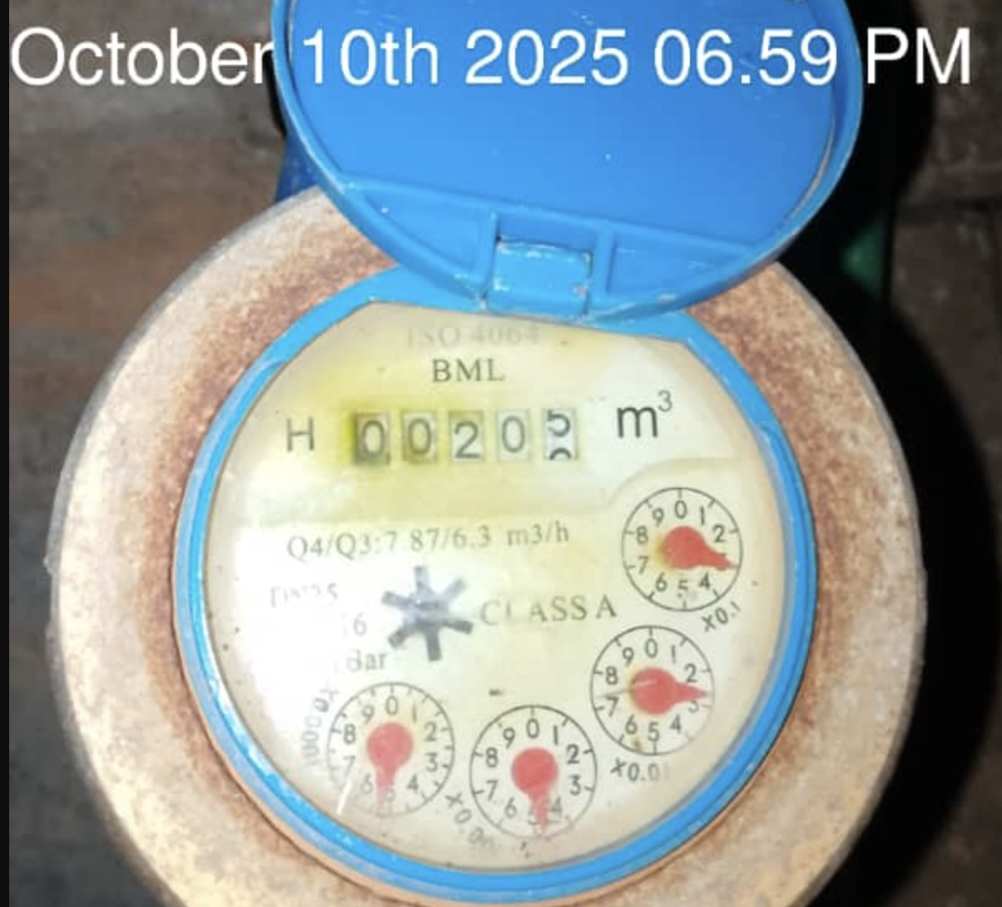
 |  | Hi and welcome : )

 |  | Update Project ID (NG-OY-1353) in 'Data Input' sheet name (first sheet), then enter your first data there.

 | 1 | Only Update Green columns
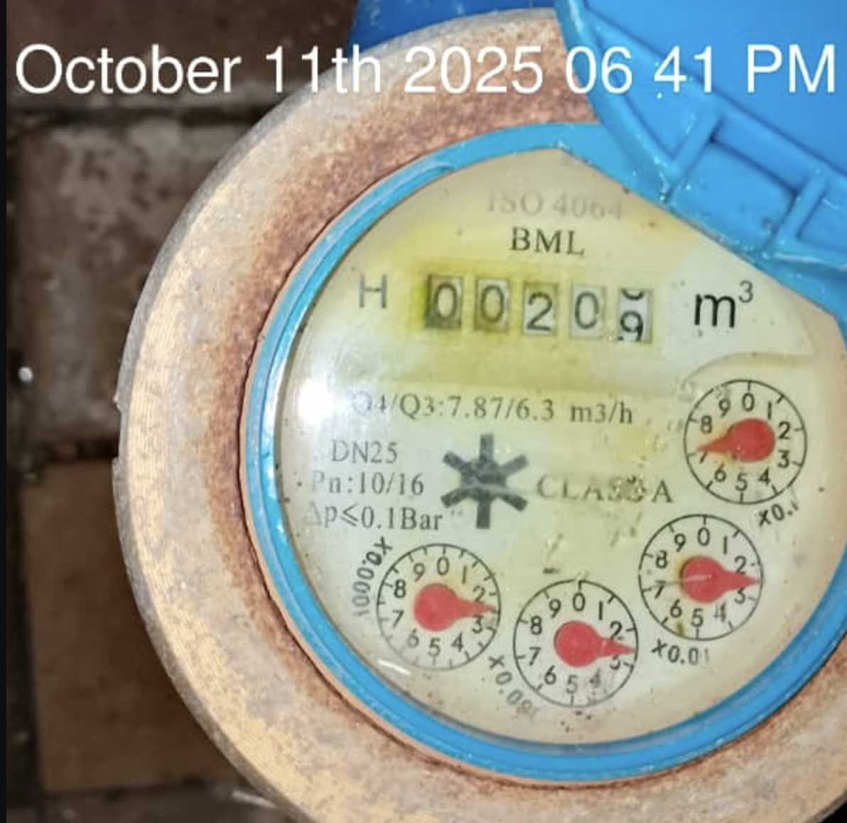
 | 2 | Do Not edit or delete Black coloumns

 | 3 | Do Not edit or delete Blue coloumns

 |  | Data Input Logic
 | * | Refer to October 11th Meter image on the right
 | * | If the the reading is from 208 to 208.99, it is rounded down to 208
 | * | If the 0.1 dial is between 7 and 8, it is rounded down to 7
 | * | Further refer to above 4 days of Meter reading and their associated Meter images

How to Sort Data in System
